Overview
API Integration Add-On Worksheet

Client: | Client Name | Contact Info
Client Main Contact: | Client Contact | Contact Info

External, Non-TradeSeal System | Vendor Name | Contact Info
Vendor Main Contact: | Vendor Representative | Contact Info

Type of Data Connectivity: | e.g. Employee data import, Job data, etc.
Source System: | TradeSeal or External System Name
Destination System: | TradeSeal or External System Name

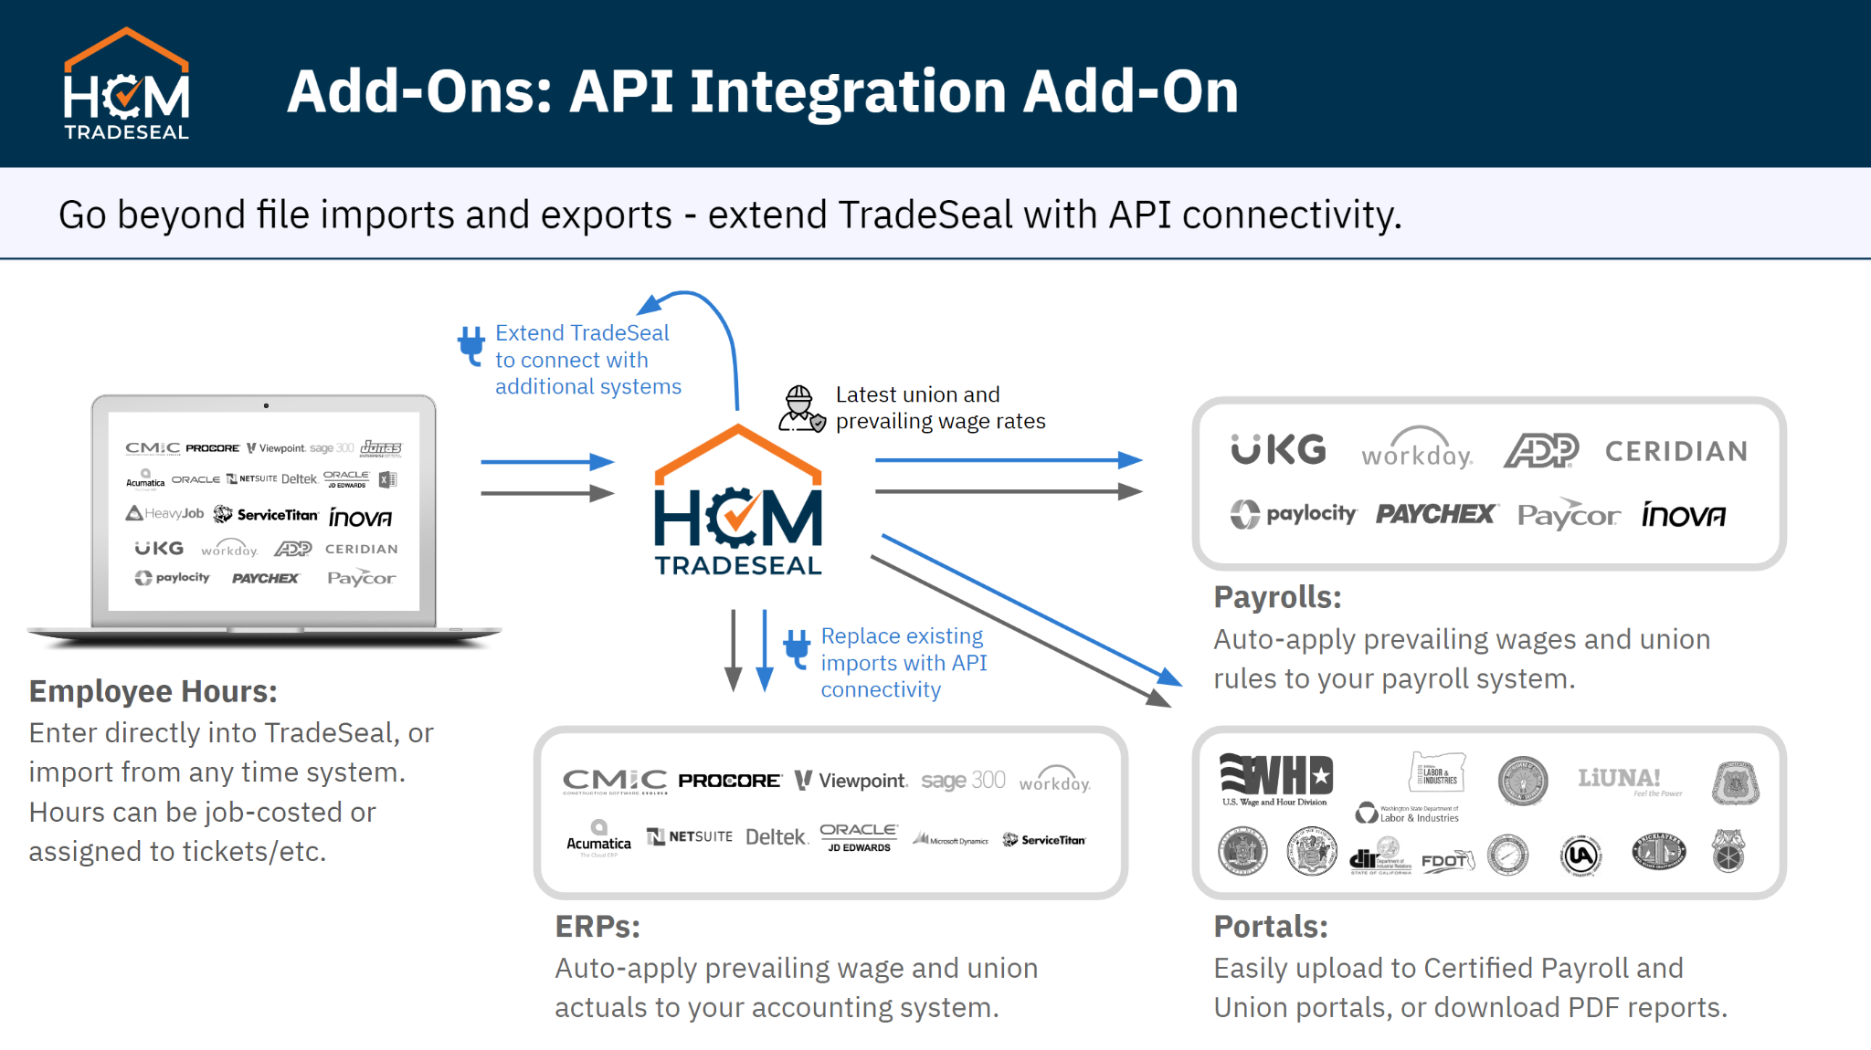
Overview: what is the purpose of this API integration?
e.g. auto-import employee timecards to TradeSeal

On-demand use case
All TradeSeal API processes may be run on-demand using "Connection Manager." Please explain use case for running this connection on-demand.

Scheduled use case, desired frequency
Some TradeSeal API processes may be scheduled to run on a regular basis, within reasonable bandwidth limits. Please explain desired frequency e.g. daily at 3am.

API Access
Provide credentials and permissions for all applicable access needed for your Vendor. e.g. API access token = %j7h3E8KVLUvw&H#]O|S73 access token has associated permissions to read employee data For TradeSeal API access, request credentials from your Implementation Specialist. Documentation is available at https://valetplatform.com/api-docs/

API Documentation - General
Please link to any available API documentation for non-TradeSeal system. e.g. https://docs.myvendor.com

API Documentation - Specific Endpoints
Please link to, or describe any specific endpoints for this type of data. e.g. https://api.myvendor.com/v2

Additional Notes:

